Payload Research
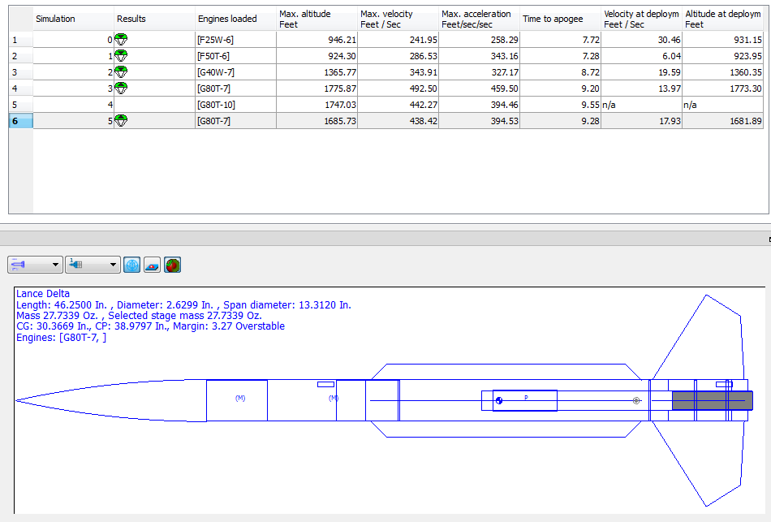
 | Telemetry Tracking
 | http://www.multitronix.com/

 | Model Rocketry targetted altimeters
 | http://www.perfectflitedirect.com/

 | http://www.marsasystems.com/index.php/products/marsanet-bundles

 | http://www.tripoli.org/Vendors

 | http://www.estesrockets.com/review/product/list/id/1030/

 | https://www.apogeerockets.com/Electronics_Payloads/Electronics/Jolly_Logic_AltimeterTwo

 |  |  |  | pi zero
 |  |  |  | http://www.raspberrypi-spy.co.uk/2015/11/introducing-the-raspberry-pi-zero/
 |  | SA-14 Payload bay mockup |  | power | 160mA
 | pi zero | nose cone to coupler |  |  | 65mm x 30mm x 5mm
length | 65mm | 64.97066 | mm | weight | 9g
width | 30mm
height | 5mm |  | 101.6mm | astro pi hat
weight | 9g |  |  | http://www.adafruit.com/products/2738?gclid=CIStprOUv8kCFUWWgQod7ikKHA

 |  |  |  |  | 65.1mm x 56.6mm x 13.9mm / 2.6" x 2.2" x 0.5"
 |  |  | 96.52mm |  | 20.4g/0.7oz

 |  | 62.8396mm |  | http://www.newegg.com/Product/Product.aspx?Item=N82E16812200860
 |  | coupler to firewall |  | right angle usb

 | sense hat (pi 2 / b+ / a+ ) |  |  | pi camera
length | 65.1mm |  |  | http://www.adafruit.com/products/1367
width | 56.6mm |  |  |  | https://www.youtube.com/watch?v=hpU6oAQoTSg
height | 13.9mm
weight | 20.4g

 | pi a+ |  |  | pi a+
length | 66mm |  |  | 66 x 56 x 14mm
width | 56mm
height | 14mm |  |  | battery pack - 2200 mAh - 5v 1A
weight | 23g |  |  | https://www.adafruit.com/products/1959
 |  |  |  | Dimensions: 25mm x 91mm x 25mm / 1" x 3.6" x 1"
 | battery pack |  |  | Micro-B Cable: 500mm
length | 91mm |  |  | Weight: 73g
width | 25mm
height | 25mm
weight | 73g

SA-14
Apogee Components
Name | price | skill level | length | diameter | weight | advertised alt | link
SA-14 | 59.99 | 3 | 47" 119cm | 2.64in 6.71cm | 555g 19.5oz |  | https://www.apogeerockets.com/Rocket_Kits/Skill_Level_3_Kits/SA-14_Archer?cPath=1_90&

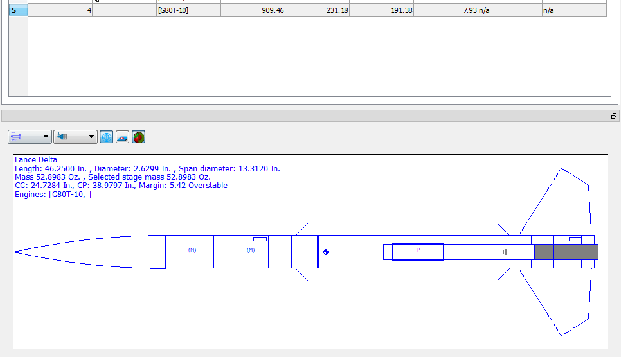
Predicted Altitudes
G40-10W | 1,366 ft (416 m) |  |  |  |  |  |  | 29.92494 | max payload | 848.3579 | grams
G80-10T | 1,776 ft (541 m) |  | 4.5221 | oz
 |  | estimated dry mass | 18.4639 | oz | 523.44276 | grams
 |  | with G80T-7 | 22.986 | oz | 651.642139 | grams
 |  |  | 29.92494 | max payload | 848.357861 | grams
 |  |  |  | max weight | 1500 | grams

Payload Calculation (in.) |  |  | length | diameter
Nosecone shoulder |  |  | 3.8402 | 2.5598
NCR BT-26/10 payload tube |  |  | 10 | 2.5579

start of payload bay |  | end of payload bay
4in from top |  | 12in from top

payload bay maximums
lenth | 8in | total usable |  |  |  |  |  |  | Payload bay mockup
 |  |  |  |  |  |  |  |  | nose cone to coupler
 | nose cone to coupler |  |  |  |  |  |  |  | 64.97066 | mm
in | 2.5579 | diameter | 64.97066 | mm
in | 4 | length | 101.6 | mm |  |  |  |  |  | 101.6mm
in | 1.27895 | radius | 32.48533 | mm
 | 20.55497m3 | volume | 336835.72467 | mm3

 | coupler to firewall |  |  |  |  |  |  |  |  | 96.52mm
in | 2.474 | diameter | 62.8396 | mm
in | 3.8 | length | 96.52 | mm
in | 1.237 | radius | 31.4198 |  |  |  |  |  | 62.8396mm
 | 18.267in3 | volume | 299346.3854m3 |  |  |  |  |  | coupler to firewall

